F4.0 Dep and Ind by Gender
Figure 4.0 of the 2023 ISAC Data Book
Monetary Award Recipients by Gender and Dependency Status, FY2023
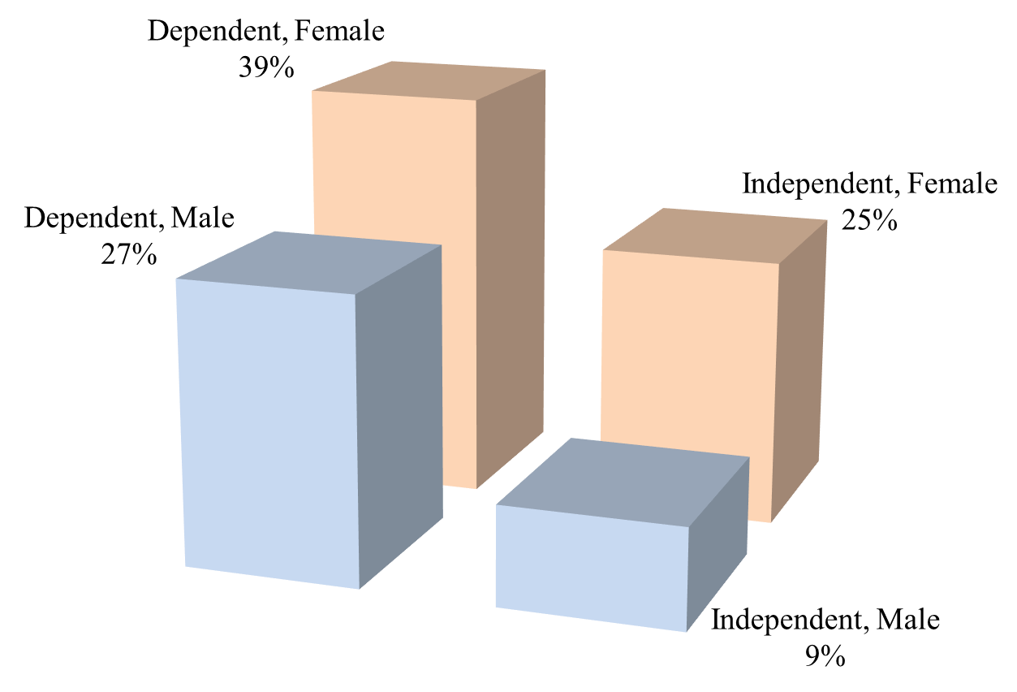

 | MAP Recipients, FY2023

 |  | Dependent | Independent | Total

 | Male | 38,682 | 13,513 | 52,195 | 144,878 | Recipients for which ISAC has a gender designation
 | Female | 56,140 | 36,543 | 92,683 | 1,875 | Recipients for which ISAC does not have a gender designation
 | Total | 94,822 | 50,056 | 144,878 | 146,753 | Total recipients

