F4.0 Dep and Ind by Gender
Figure 4.0 of the 2021 ISAC Data Book
Monetary Award Recipients by Gender and Dependency Status, FY2021

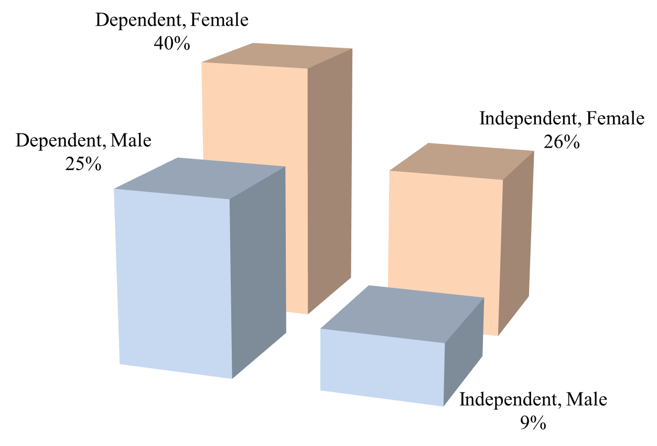

 | MAP Recipients, FY2021

 |  | Dependent | Independent | Total

 | Male | 36,666 | 12,653 | 49,319 | 138,796 | Recipients for which ISAC has a gender designation
 | Female | 55,186 | 34,291 | 89,477 | 1,121 | Recipients for which ISAC does not have a gender designation
 | Total | 91,852 | 46,944 | 138,796 | 139,917 | Total recipients

